One way
Date: 16.03.2026 Revision : 3 Created by: Daniela Chirvasa |  |  | Packaging Data Sheet Technical description and cost

 |  |  |  |  |  |  |  |  |  |  |  |  |  |  |  |  |  | Indications :
Part name |  |  |  | ZF LIFETEC Part numbers |  |  |  |  |  |  |  |  | Packaging type |  |  | ONE WAY |  | - if you click with the mouse on any orange cell, a comment box will appear giving you indications on what is expected to be filled in the next white cell - the grey cells are containing formulas, you are not allowed to change the content - when you send back to ZF LIFETEC this form, please leave in only the sheets you have used for describing your packaging proposal and remove all the rest ( "EXAMPLE" sheets, Pack guideline, Labeling guideline and the other forms not used ) Please use the following format to name the file : PDS_Project_Part name_Supplier name_RevXX_YYYYMMDD.xlsx The Packaging data sheet approved by the ZF LIFETEC Receiving plant must be included in the PPAP documentation.
Project |  |  |  |  |  |  |  |  |  |  |  |  | Revision number
ZF Facility |  |  |  |  |  |  |  |  |  |  |  |  | Date
Picture of the Part |  |  |  | Picture of the Packing unit ( PU ) |  |  |  |  |  |  | Picture of the Shipping unit ( SU )

Picture of the Packing unit - inside view with parts
Picture of the Packing unit - outside view The placement of the label must be visible
Picture of the Shipping unit
Picture of the VDA4994 label

Mandatory compliance with ZF_Lifetec_VDA4994_Labelling_requirements
 |  |  |  |  |  |  |  |  |  |  | ý

Special packaging requirements |  |  |  | Packing unit (PU) external sizes (mm) |  | L | W | H | Parts / Packing unit |  | Shipping unit (SU) external sizes (mm) |  | L | W | H | Parts / Shipping unit | 0
 | Hazardous Material
 | VCI ( special protection against corozion ) |  |  | Part Unit of Measurement |  |  |  |  |  |  | No of PU / level |  | No.of PU / SU |  | 0
 | Desiccant ( special protection against humidity ) |  |  | Weight / Part ( kg ) |  |  |  |  |  |  | No of levels / SU
 | ESD ( special protection against electrostatic discharge ) |  |  | Weight Full Packing unit (kg) |  |  |  |  |  |  | Weight Full SU (kg) |  | Stacking factor
One way Packaging components included in the Shipping unit ( SU ) : |  |  |  |  |  |  |  |  |  |  | Supplier name
Packaging component Description |  | Part number ( optional ) | Material type | L ( mm ) | W ( mm ) | H (mm ) | UM | Qty | Price / unit | Cost / SU | Shipping address
 |  |  |  |  |  |  |  |  |  |  | Contact / Function
 |  |  |  |  |  |  |  |  |  | - € | Phone / Email
 |  |  |  |  |  |  |  |  |  | - € | By signing this form the Supplier is comitting to comply with the packaging & labeling specifications of the ZF LIFETEC Receiving plant |  |  |  | SIGNA TURE
 |  |  |  |  |  |  |  |  |  | - €
 |  |  |  |  |  |  |  |  |  | - € | ZF Approval | Function | Name |  | Signature |  | Date
 |  |  |  |  |  |  |  |  |  | - € | CONCEPT
 |  |  |  |  |  |  |  |  |  | - €
 |  |  |  |  |  |  |  |  |  | - € | FINAL APPROVAL
 |  |  |  |  |  |  |  |  |  | - €
 |  |  |  |  |  |  |  |  |  | - €
 |  |  |  |  |  |  |  |  |  | - €
Total Cost of One way components / Shipping unit |  |  |  |  |  |  |  |  |  | - €
PACKAGING ONE WAY COST / PART |  |  |  |  |  |  |  |  |  | #DIV/0!

ADDITIONAL COMMENTS :

One way EXAMPLE
Date: 16.03.2026 Revision : 3 Created by: Daniela Chirvasa |  |  |  | Packaging Data Sheet Technical description and cost

 |  |  |  |  |  |  |  |  |  |  |  |  |  |  |  |  |  |  |  | Indications :
Part name |  | Paddles |  |  | ZF LIFETEC Part numbers |  | 3405320 |  |  | 3405220 |  |  |  |  | Packaging type |  |  | ONE WAY |  | - if you click with the mouse on any orange cell, a comment box will appear giving you indications on what is expected to be filled in the next white cell - the grey cells are containing formulas, you are not allowed to change the content - when you send back to ZF LIFETEC this form, please leave in only the sheets you have used for describing your packaging proposal and remove all the rest ( "EXAMPLE" sheets, Pack guideline, Labeling guideline and the other forms not used ) Please use the following format to name the file : PDS_Project_Part name_Supplier name_RevXX_YYYYMMDD.xlsx The Packaging data sheet approved by the ZF LIFETEC Receiving plant must be included in the PPAP documentation.
Project |  | DC E class |  |  |  |  | 3405321 |  |  | 3405221 |  |  |  |  | Revision number |  |  | 1
ZF Facility |  | ZF TRW Timisoara Romania |  |  |  |  | 3405322 |  |  | 3405222 |  |  |  |  | Date |  |  | 2021-01-10
Picture of the Part |  |  |  |  | Picture of the Packing unit ( PU ) |  |  |  |  |  |  | Picture of the Shipping unit ( SU )

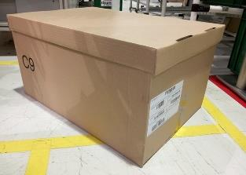
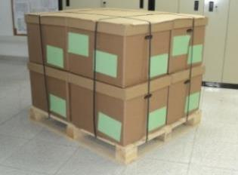
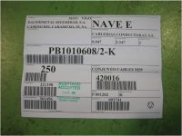
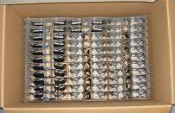
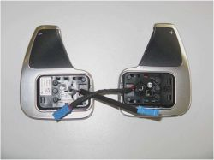
Picture of the Packing unit - inside view
Picture of the Packing unit - outside view
Picture of the Shipping unit
Picture of the VDA label

Special packaging requirements |  |  |  |  | Packing unit (PU) external sizes (mm) |  | L | W | H | Parts / Packing unit | 99 | Shipping unit (SU) external sizes (mm) |  |  | L | W | H | Parts / Shipping unit | 1,188
 | Hazardous Material |  |  |  |  |  | 600 | 400 | 270 |  |  |  |  |  | 1,200 | 800 | 960
 | VCI ( special protection against corozion ) |  |  |  | Part Unit of Measurement |  |  | set |  |  |  | No of PU / level |  | 4 | No.of PU / SU |  | 12
 | Desiccant ( special protection against humidity ) |  |  |  | Weight / Part ( kg ) |  |  | 0.100 kg |  |  |  | No of levels / SU |  | 3
 | ESD ( special protection against electrostatic discharge ) |  |  |  | Weight Full Packing unit (kg) |  |  | 11.0 kg |  |  |  | Weight/Full SU (kg) |  | 150 kg | Stacking factor |  | 3
One way Packaging components included in the Shipping unit ( SU ) : |  |  |  |  |  |  |  |  |  |  |  | Supplier name |  | Johny Pony Gmbh
Packaging component Description |  |  | Part number ( optional ) | Material type | L ( mm ) | W ( mm ) | H (mm ) | UM | Qty | Price / unit | Cost / SU | Shipping address |  | 4041 Linz, Hauptstr.10, Austria
 |  |  |  |  |  |  |  |  |  |  |  | Contact / Function |  | Mr.Alois Waine , Packaging Engineer
Cardboard box with detached lid |  |  |  | Cardboard | 600 | 400 | 270 | pcs. | 12 | 0.60 € | 7.20 € | Phone / Email |  | 004376138515, a.waine@johnypony.com
Cardboard plates |  |  |  | Cardboard | 585 | 385 | 1 | pcs. | 48 | 0.08 € | 3.84 € | By signing this form the Supplier is comitting to comply with the packaging & labeling specifications of the ZF LIFETEC Receiving plant |  |  |  |  | SIGNA TURE
Cardboard grid |  |  |  | Cardboard | 585 | 385 | 87 | pcs. | 36 | 0.25 € | 9.00 €
Wooden pallet ISPM15 |  |  |  | Wood | 1,200 | 800 | 150 | pcs. | 1 | 4.00 € | 4.00 € | ZF Approval | Function |  | Name |  | Signature |  | Date
Plastic foil |  |  |  | Plastic |  |  |  | m | 35 | 0.02 € | 0.70 € | CONCEPT | Logistics Planner |  | Adriana Popescu |  |  |  | 2021-01-11
Labels |  |  |  | Paper |  |  |  | pcs. | 13 | 0.03 € | 0.39 €
 |  |  |  |  |  |  |  |  |  |  | - € | FINAL APPROVAL | Logistics Planner |  | Adriana Popescu |  |  |  | 2021-02-12
 |  |  |  |  |  |  |  |  |  |  | - €
 |  |  |  |  |  |  |  |  |  |  | - € |  | Process Engineer |  | Vlad Peck |  |  |  | 2021-02-12
 |  |  |  |  |  |  |  |  |  |  | - €
Total Cost of One way components / Shipping unit |  |  |  |  |  |  |  |  |  |  | 25.13 € |  | SQA Engineer |  | Alina Schneider |  |  |  | 2021-02-12
PACKAGING ONE WAY COST / PART |  |  |  |  |  |  |  |  |  |  | 0.0212 €

ADDITIONAL COMMENTS :

Returnable
Date: 16.03.2026 Revision : 3 Created by: Daniela Chirvasa |  |  | Packaging Data Sheet Technical description and cost

 |  |  |  |  |  |  |  |  |  |  |  |  |  |  |  |  |  |  | Indications :
Part name |  |  |  | ZF LIFETEC Part numbers |  |  |  |  |  |  |  |  |  | Packaging type |  |  | RETURNABLE |  | - if you click with the mouse on any orange cell, a comment box will appear giving you indications on what is expected to be filled in the next white cell - the grey cells are containing formulas, you are not allowed to change the content - when you send back to ZF LIFETEC this form, please leave in only the sheets you have used for describing your packaging proposal and remove all the rest ( "EXAMPLE" sheets, Pack guideline, Labeling guideline and the other forms not used ) Please use the following format to name the file : PDS_Project_Part name_Supplier name_RevXX_YYYYMMDD.xlsx The Packaging data sheet approved by the ZF LIFETEC Receiving plant must be included in the PPAP documentation.
Project |  |  |  |  |  |  |  |  |  |  |  |  |  | Revision number
ZF Facility |  |  |  |  |  |  |  |  |  |  |  |  |  | Date
Picture of the Part |  |  |  | Picture of the Packing unit ( PU ) |  |  |  |  |  |  | Picture of the Shipping unit ( SU )

Picture of the Packing unit - inside view with parts
Picture of the Packing unit - outside view
Picture of the Shipping unit
Picture of the VDA label

Mandatory compliance with ZF_Lifetec_VDA4994_Labelling_requirements
 |  |  |  |  |  |  |  |  |  |  | ý

Special packaging requirements |  |  |  | Packing unit (PU) external sizes (mm) |  | L | W | H | Parts / Packing unit |  | Shipping unit (SU) external sizes (mm) |  |  | L | W | H | Parts / Shipping unit | 0
 | Hazardous Material
 | VCI ( special protection against corozion ) |  |  | Part Unit of Measurement |  |  |  |  |  |  | No of PU / level |  |  | No.of PU / SU |  | 0
 | Desiccant ( special protection against humidity ) |  |  | Weight / Part ( kg ) |  |  |  |  |  |  | No of levels / SU
 | ESD ( special protection against electrostatic discharge ) |  |  | Weight / Full PU (kg) |  |  |  |  |  |  | Weight/Full SU (kg) |  |  | Stacking factor
1. RETURNABLE packaging components included in the Shipping unit ( SU ) : |  |  |  |  |  |  |  |  |  |  | LOOP CALCULATION | Localisation of the Shipping units |  |  |  |  | Days of coverage | Shipping units
Packaging component Description |  | Part number ( optional ) | Material type | L ( mm ) | W ( mm ) | H (mm ) | UM | Qty | Price / unit | Cost / SU
 |  |  |  |  |  |  |  |  |  |  |  | Supplier |  | Empties Safety stock |  |  |  | #DIV/0!
 |  |  |  |  |  |  |  |  |  | - € |  |  |  | Empties |  |  | #DIV/0! | #DIV/0!
 |  |  |  |  |  |  |  |  |  | - € |  |  |  | Production |  |  |  | #DIV/0!
 |  |  |  |  |  |  |  |  |  | - € |  |  |  | Finished Safety stock |  |  |  | #DIV/0!
 |  |  |  |  |  |  |  |  |  | - € |  | Full in Transit |  |  |  |  | #DIV/0! | #DIV/0!
 |  |  |  |  |  |  |  |  |  | - € |  | Customer (ZF) |  | Components Safety stock |  |  |  | #DIV/0!
Total Cost of Returnable components / Shipping unit |  |  |  |  |  |  |  |  |  | - € |  |  |  | Components |  |  | #DIV/0! | #DIV/0!
2. ONE WAY packaging components included in the Shipping unit ( SU ) : |  |  |  |  |  |  |  |  |  |  |  |  |  | Production |  |  |  | #DIV/0!
Packaging component Description |  | Part number ( optional ) | Material type | L ( mm ) | W ( mm ) | H (mm ) | UM | Qty | Price / unit | Cost / SU |  | Empties in Transit |  |  |  |  | #DIV/0! | #DIV/0!
 |  |  |  |  |  |  |  |  |  |  |  | Reserve for Maintenance |  |  |  |  |  | #DIV/0!
 |  |  |  |  |  |  |  |  |  | - € |  | Total packaging needed in the loop |  |  |  |  | #DIV/0! | #DIV/0!
 |  |  |  |  |  |  |  |  |  | - € | Supplier name
 |  |  |  |  |  |  |  |  |  | - € | Shipping address
 |  |  |  |  |  |  |  |  |  | - € | Contact/Function
 |  |  |  |  |  |  |  |  |  | - € | Phone / Email
Total Cost of One way components / Shipping unit |  |  |  |  |  |  |  |  |  | - € | By signing this form the Supplier is comitting to comply with the packaging & labeling specifications of the ZF LIFETEC Receiving plant |  |  |  |  | SIGNA TURE
Yearly vol in the Peak year ( pcs.) incl.flexibility |  |  |  | Packaging development & tooling cost
No of Shipping units required / day |  |  | #DIV/0! | Total investment |  |  |  |  |  | #DIV/0! | ZF Approval |  | Function | Name |  | Signature |  | Date
Transit time Full Shipping units ( days ) |  |  |  | Amortization period (years) |  |  |  | Amortization volume |  |  | CONCEPT
Transit time Empties return ( days ) |  |  |  | INVESTMENT AMOUNT PAID UPFRONT ( one time payment ) |  |  |  |  |  |  | FINAL APPROVAL
Frequency of deliveries ( times/week ) |  |  |  | PACKAGING ONE WAY COST / PART |  |  |  |  |  | #DIV/0!
Frequency of returning Empties ( times/week ) |  |  |  | PACKAGING AMORTIZATION COST / PART |  |  |  |  |  | #DIV/0!

Returnable EXAMPLE
Date: 16.03.2026 Revision : 3 Created by: Daniela Chirvasa |  |  |  | Packaging Data Sheet Technical description and cost

 |  |  |  |  |  |  |  |  |  |  |  |  |  |  |  |  |  |  |  |  | Indications :
Part name |  | Screens set |  |  | ZF LIFETEC Part numbers |  | 62558354 |  |  |  |  |  |  |  |  | Packaging type |  |  | RETURNABLE |  | - if you click with the mouse on any orange cell, a comment box will appear giving you indications on what is expected to be filled in the next white cell - the grey cells are containing formulas, you are not allowed to change the content - when you send back to ZF LIFETEC this form, please leave in only the sheets you have used for describing your packaging proposal and remove all the rest ( "EXAMPLE" sheets, Pack guideline, Labeling guideline and the other forms not used ) Please use the following format to name the file : PDS_Project_Part name_Supplier name_RevXX_YYYYMMDD.xlsx The Packaging data sheet approved by the ZF LIFETEC Receiving plant must be included in the PPAP documentation.
Project |  | BMW E89 |  |  |  |  |  |  |  |  |  |  |  |  |  | Revision number |  |  | 1
ZF Facility |  | ZF TRW Timisoara Romania |  |  |  |  |  |  |  |  |  |  |  |  |  | Date |  |  | 2021-01-10
Picture of the Part |  |  |  |  | Picture of the Packing unit ( PU ) |  |  |  |  |  |  | Picture of the Shipping unit ( SU )

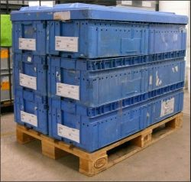
Picture of the Packing unit - inside view
Picture of the Packing unit - outside view
Picture of the Shipping unit
Picture of the VDA label

Special packaging requirements |  |  |  |  | Packing unit (PU) external sizes (mm) |  | L | W | H | Parts / Packing unit | 12 | Shipping unit (SU) external sizes (mm) |  |  |  | L | W | H | Parts / Shipping unit | 144
 | Hazardous Material |  |  |  |  |  | 600 | 400 | 280 |  |  |  |  |  |  | 1,000 | 800 | 990
 | VCI ( special protection against corozion ) |  |  |  | Part Unit of Measurement |  |  | set |  |  |  | No of PU / level |  |  | 4 | No.of PU / SU |  | 12
 | Desiccant ( special protection against humidity ) |  |  |  | Weight / Part ( kg ) |  |  | 0.430 kg |  |  |  | No of levels / SU |  |  | 3
 | ESD ( special protection against electrostatic discharge ) |  |  |  | Weight Full PU (kg) |  |  | 6.5 kg |  |  |  | Weight Full SU (kg) |  |  | 113 kg | Stacking factor |  | 3
1. RETURNABLE packaging components included in the Shipping unit ( SU ) : |  |  |  |  |  |  |  |  |  |  |  | LOOP CALCULATION | Localisation of the Shipping units |  |  |  |  |  | Days of coverage | Shipping units
Packaging component Description |  |  | Part number ( optional ) | Material type | L ( mm ) | W ( mm ) | H (mm ) | UM | Qty | Price / unit | Cost / SU
 |  |  |  |  |  |  |  |  |  |  |  |  | Supplier |  |  | Empties Safety stock |  |  | 1.0 | 3.62
KLT 6428 |  |  |  | plastic | 600 | 400 | 280 | pcs | 12 | 8.00 € | 96.00 € |  |  |  |  | Empties |  |  | 2.0 | 7.23
Foamed tray |  |  |  | EPP foam | 535 | 345 | 76 | pcs | 36 | 1.50 € | 54.00 € |  |  |  |  | Production |  |  | 1.0 | 3.62
Plastic lid |  |  |  | plastic | 1,200 | 800 | 25 | pcs | 1 | 12.00 € | 12.00 € |  |  |  |  | Finished Safety stock |  |  | 2.0 | 7.23
Euro pallet |  |  |  | wood | 1,200 | 800 | 150 | pcs | 1 | 5.00 € | 5.00 € |  | Full in Transit |  |  |  |  |  | 2.5 | 9.04
 |  |  |  |  |  |  |  |  |  |  | - € |  | Customer (ZF) |  |  | Components Safety stock |  |  | 2.0 | 7.23
Total Cost of Returnable components / Shipping unit |  |  |  |  |  |  |  |  |  |  | 167.00 € |  |  |  |  | Components |  |  | 2.0 | 7.23
2. ONE WAY packaging components included in the Shipping unit ( SU ) : |  |  |  |  |  |  |  |  |  |  |  |  |  |  |  | Production |  |  | 1.0 | 3.62
Packaging component Description |  |  | Part number ( optional ) | Material type | L ( mm ) | W ( mm ) | H (mm ) | UM | Qty | Price / unit | Cost / SU |  | Empties in Transit |  |  |  |  |  | 2.5 | 9.04
 |  |  |  |  |  |  |  |  |  |  |  |  | Reserve for Maintenance |  |  |  |  |  | 1.0 | 3.62
Strapping tape |  |  |  | plastic |  |  |  | m | 9 | 0.02 € | 0.18 € |  | Total packaging needed in the loop |  |  |  |  |  | 17.0 | 62.00
Labels |  |  |  | paper |  |  |  | pcs | 13 | 0.03 € | 0.39 € | Supplier name |  |  | Johny Pony Gmbh
 |  |  |  |  |  |  |  |  |  |  | - € | Shipping address |  |  | 4041 Linz, Hauptstr.10, Austria
 |  |  |  |  |  |  |  |  |  |  | - € | Contact/Function |  |  | Mr.Alois Waine , Packaging Engineer
 |  |  |  |  |  |  |  |  |  |  | - € | Phone / Email |  |  | 004376138515, a.waine@johnypony.com
Total Cost of One way components / Shipping unit |  |  |  |  |  |  |  |  |  |  | 0.57 € | By signing this form the Supplier is comitting to comply with the packaging & labeling specifications of the ZF LIFETEC Receiving plant |  |  |  |  |  | SIGNA TURE
Yearly vol in the Peak year ( pcs.) incl.flexibility |  |  |  | 125,000 | Packaging development & tooling cost |  |  |  |  |  | 5,000 €
No of Shipping units required / day |  |  |  | 3.6 | Total investment |  |  |  |  |  | 15,354 € | ZF Approval |  | Function |  | Name |  | Signature |  | Date
Transit time Full Shipping units ( days ) |  |  |  | 2.0 days | Amortization period (years) |  |  | 3.0 | Amortization volume |  | 250,000 | CONCEPT |  | Logistics Planner |  | Adriana Popescu |  |  |  | 2021-01-11
Transit time Empties return ( days ) |  |  |  | 2.0 days | INVESTMENT AMOUNT PAID UPFRONT ( one time payment ) |  |  |  |  |  | 5,000 € | FINAL APPROVAL |  | Logistics Planner |  | Adriana Popescu |  |  |  | 2021-02-12
Frequency of deliveries ( times/week ) |  |  |  | 2 | PACKAGING ONE WAY COST / PART |  |  |  |  |  | 0.0040 € |  |  | Process Engineer |  | Vlad Peck |  |  |  | 2021-02-12
Frequency of returning Empties ( times/week ) |  |  |  | 2 | PACKAGING AMORTIZATION COST / PART |  |  |  |  |  | 0.0414 € |  |  | SQA Engineer |  | Alina Schneider |  |  |  | 2021-02-12

Rented
Date: 16.03.2026 Revision : 3 Created by: Daniela Chirvasa |  |  | Packaging Data Sheet Technical description and cost

 |  |  |  |  |  |  |  |  |  |  |  |  |  |  |  |  |  | Indications :
Part name |  |  |  | ZF LIFETEC Part numbers |  |  |  |  |  |  |  |  | Packaging type |  |  | RENTED |  | - if you click with the mouse on any orange cell, a comment box will appear giving you indications on what is expected to be filled in the next white cell - the grey cells are containing formulas, you are not allowed to change the content - when you send back to ZF LIFETEC this form, please leave in only the sheets you have used for describing your packaging proposal and remove all the rest ( "EXAMPLE" sheets, Pack guideline, Labeling guideline and the other forms not used ) Please use the following format to name the file : PDS_Project_Part name_Supplier name_RevXX_YYYYMMDD.xlsx The Packaging data sheet approved by the ZF LIFETEC Receiving plant must be included in the PPAP documentation.
Project |  |  |  |  |  |  |  |  |  |  |  |  | Revision number
ZF Facility |  |  |  |  |  |  |  |  |  |  |  |  | Date
Picture of the Part |  |  |  | Picture of the Packing unit ( PU ) |  |  |  |  |  |  | Picture of the Shipping unit ( SU )

Picture of the Packing unit - inside view with parts
Picture of the Packing unit - outside view
Picture of the Shipping unit
Picture of the VDA label

Mandatory compliance with ZF_Lifetec_VDA4994_Labelling_requirements
 |  |  |  |  |  |  |  |  |  |  | ý

Special packaging requirements |  |  |  | Packing unit (PU) external sizes (mm) |  | L | W | H | Parts / Packing unit |  | Shipping unit (SU) external sizes (mm) |  | L | W | H | Parts / Shipping unit | 0
 | Hazardous Material
 | VCI ( protection against corozion ) |  |  | Part Unit of Measurement |  |  |  |  |  |  | No of PU / level |  | No.of PU / SU |  | 0
 | Desiccant ( protection against humidity ) |  |  | Weight / Part ( kg ) |  |  |  |  |  |  | No of levels / SU
 | ESD ( protection against electrostatic discharge ) |  |  | Weight Full Packing unit (kg) |  |  |  |  |  |  | Weight Full SU (kg) |  | Stacking factor
1. RENTED packaging components included in the Shipping unit ( SU ) : |  |  |  |  |  |  |  |  |  |  | RENTING DAYS IN SUPPLIER'S CHARGE
Packaging component Description |  | Material type | L ( mm ) | W ( mm ) | H (mm ) | UM | Qty / SU | Renting fees |  | Renting Cost / SU
 |  |  |  |  |  |  |  | Daily hire cost | Issue fee |  | Localisation of the Shipping units and Reason |  |  |  |  |  | Days

 |  |  |  |  |  |  |  |  |  | - €
 |  |  |  |  |  |  |  |  |  | - €
 |  |  |  |  |  |  |  |  |  | - €
 |  |  |  |  |  |  |  |  |  | - €
 |  |  |  |  |  |  |  |  |  | - €
Total Renting Cost of Returnable components / Shipping unit |  |  |  |  |  |  |  |  |  | - € | TOTAL RENTING DAYS ( SUPPLIER ) |  |  |  |  |  | 0.00
2. ONE WAY packaging components included in the Shipping unit ( SU ) : |  |  |  |  |  |  |  |  |  |  | Supplier name
Packaging component Description |  | Material type | L ( mm ) | W ( mm ) | H (mm ) | UM | Qty / SU | Price / unit |  | Cost / SU | Shipping address
 |  |  |  |  |  |  |  |  |  |  | Contact / Function
 |  |  |  |  |  |  |  |  |  | - € | Phone / Email
 |  |  |  |  |  |  |  |  |  | - € | By signing this form the Supplier is comitting to comply with the packaging & labeling specifications of the ZF LIFETEC Receiving plant |  |  |  | SIGNA TURE
 |  |  |  |  |  |  |  |  |  | - €
 |  |  |  |  |  |  |  |  |  | - € | ZF Approval | Function | Name |  | Signature |  | Date
 |  |  |  |  |  |  |  |  |  | - € | CONCEPT
Total Cost of One way components / Shipping unit |  |  |  |  |  |  |  |  |  | - € | FINAL APPROVAL
TOTAL PACKAGING COST / PART |  |  |  |  |  |  |  |  |  | #DIV/0!

Rented EXAMPLE
Date: 16.03.2026 Revision : 3 Created by: Daniela Chirvasa |  |  |  | Packaging Data Sheet Technical description and cost

 |  |  |  |  |  |  |  |  |  |  |  |  |  |  |  |  |  |  | Indications :
Part name |  | DAB cover painted |  |  | ZF LIFETEC Part numbers |  | 34079432A |  |  |  |  |  |  | Packaging type |  |  | RENTED |  | - if you click with the mouse on any orange cell, a comment box will appear giving you indications on what is expected to be filled in the next white cell - the grey cells are containing formulas, you are not allowed to change the content - when you send back to ZF this form, please leave in only the sheets you have used for describing your packaging proposal and remove all the rest ( "EXAMPLE" sheets, Pack guideline, Labeling guideline and the other forms not used ) Please use the following format to name the file : PDS_Project_Part name_Supplier name_RevXX_YYYYMMDD.xlsx The Packaging data sheet approved by the ZF Receiving plant must be included in the PPAP documentation.
Project |  | RENAULT H79 |  |  |  |  | 34079433A |  |  |  |  |  |  | Revision number |  |  | 1
ZF Facility |  | ZF TRW Timisoara Romania |  |  |  |  |  |  |  |  |  |  |  | Date |  |  | 2021-01-10
Picture of the Part |  |  |  |  | Picture of the Packing unit ( PU ) |  |  |  |  |  |  | Picture of the Shipping unit ( SU )

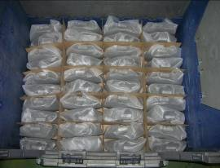
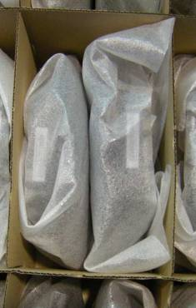
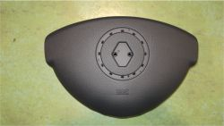
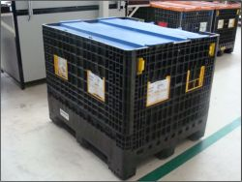

Picture of the Packing unit - inside view
Picture of the Packing unit - outside view
Picture of the Shipping unit
Picture of the VDA label

Special packaging requirements |  |  |  |  | Packing unit (PU) external sizes (mm) |  | L | W | H | Parts / Packing unit | 160 | Shipping unit (SU) external sizes (mm) |  | L | W | H | Parts / Shipping unit | 160
 | Hazardous Material |  |  |  |  |  | 1,200 | 1,000 | 975 |  |  |  |  | 1,200 | 1,000 | 975
 | VCI ( protection against corozion ) |  |  |  | Part Unit of Measurement |  |  | pcs |  |  |  | No of PU / level | 1 | No.of PU / SU |  | 1
 | Desiccant ( protection against humidity ) |  |  |  | Weight / Part ( kg ) |  |  | 0.170 kg |  |  |  | No of levels / SU | 1
 | ESD ( protection against electrostatic discharge ) |  |  |  | Weight Full Packing unit (kg) |  |  | 91.5 kg |  |  |  | Weight Full SU (kg) | 92 kg | Stacking factor |  | 3
1. RENTED packaging components included in the Shipping unit ( SU ) : |  |  |  |  |  |  |  |  |  |  |  | RENTING DAYS IN SUPPLIER'S CHARGE
Packaging component Description |  |  | Material type | L ( mm ) | W ( mm ) | H (mm ) | UM | Qty / SU | Renting fees |  | Renting Cost / SU
 |  |  |  |  |  |  |  |  | Daily hire cost | Issue fee |  | Localisation of the Shipping units and Reason |  |  |  |  |  | Days

FLC121097 |  |  | plastic | 1,200 | 1,000 | 975 | pcs | 1 | 0.22 € | - € | 1.10 € | Production - process lead time |  |  |  |  |  | 2.00
FLC dust cover |  |  | plastic | 1,200 | 1,000 | 10 | pcs | 1 | 0.01 € | - € | 0.04 € | Warehouse - finished stock |  |  |  |  |  | 3.00
 |  |  |  |  |  |  |  |  |  |  | - €
 |  |  |  |  |  |  |  |  |  |  | - €
 |  |  |  |  |  |  |  |  |  |  | - €
Total Renting Cost of Returnable components / Shipping unit |  |  |  |  |  |  |  |  |  |  | 1.15 € | TOTAL RENTING DAYS ( SUPPLIER ) |  |  |  |  |  | 5.00
2. ONE WAY packaging components included in the Shipping unit ( SU ) : |  |  |  |  |  |  |  |  |  |  |  | Supplier name | Johny Pony Gmbh
...

Packaging Guideline
PACKAGING SHORT GUIDELINE

 | 1. Definitions :

 | Packing Unit ( PU )
 | • | is the smallest packaging containing the part and it is considered the minimal ZF LIFETEC order quantity ( rounding value )
 | • | it is mandatory to place only 1 Part Number inside the Packing Unit

 | Example of Packing Units :
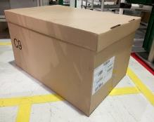
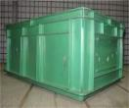
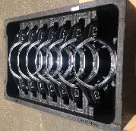
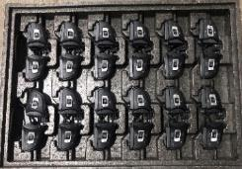
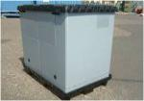

 | Shipping Unit ( SU )
 | • | is the loading unit and consists of one big transport container or a group of Packing Units placed on one wooden pallet
 | • | Shipping Units consisting of several Packing Units placed on a wooden pallet must be strapped length- and cross-wise for securing the boxes on the pallet
 | • | the Shipping Unit must be capable of being handled by forklift truck or similar equipment
 | • | as general rule a Shipping Unit will contain only 1 Part Number, all pieces belonging to the same production batch ( homogeneous SU ). In particular cases ( and only with ZF LIFETEC Receiving plant approval ) a Shipping Unit might contain : - only 1 Part Number but multiple batches ( mixed SU ) - more than 1 Part Number ( mixed SU ). In this case the Shipping Unit is consisting of several Packing Units of same sizes but containing different Part Numbers. The Packing Units must be sorted on the pallet so that the Packing Units containing same Part Number are grouped together.

 | Example of Shipping Units :
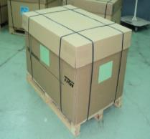
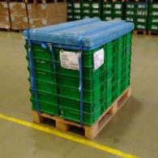
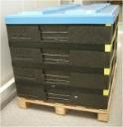
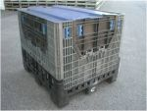
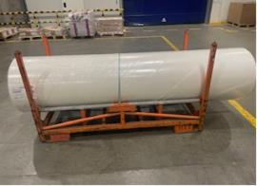

 | 2. Packaging requirements :

 | The Supplier is responsible for designing a suitable packaging for the parts he will deliver to ZF LIFETEC in accordance with the following guidelines :

● | Packaging design must preserve the quality of the parts (during transportation, handling and storage) and must meet lowest cost requirement in the same time
● | Packaging design must allow for an easy and safe handling.
● | Shipping Unit sizes and weight must assure optimal transport cube utilisation, best storage conditions and easy handling with forklift trucks or similar equipment.
● | Suitability for stacking in storage and during transportation.
● | Compliance with specified standard dimensions, if not otherwise approved or requested by ZF LIFETEC Receiving plant
...
 | For parts with a very low daily demand there are following packing options :
● | less than full SU, but full (complete) layers in case of expensive parts. If several Part Numbers are in this situation, they can be either combined in a Mixed Shipping Unit or can be delivered separately in individual Small height Shipping Units.

● | one PU content in case of very expensive parts. If several Part Numbers are in this situation they will be delivered on a single pallet as mixed Shipping Unit
 | Please agree with ZF LIFETEC Receiving plant what is the best option for each specific case.

 | 2.3. Labelling :

 | Each Packing Unit has to be individually identified with a Single label. For easy identification the Packing Units must be placed on the pallet with the labels facing the outside perimeter of the pallet.

 | Each Shipping Unit has to be identified with 2 Master labels positioned on adjacent sides of the Shipping Unit, at least at 15 cm distance from the edge :
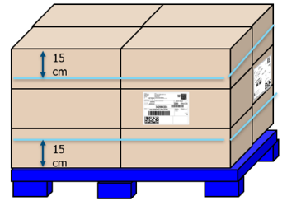

 | Labels' dimesions, format and content :
 | ZF LIFETEC uses the Global Transport Label VDA 4994 as standard. The labels' dimensions, format and content is described in detail in the ZF LIFETEC VDA4994 Labeling
 | Requirements - posted on the ZF-LIFETEC website, Supplier Board section, under LOGISTICS / Packaging and Labeling Guidelines / Europe :
 | Logistics

 | Labels' attachment :
 | The labels must NOT be coated with shiny material or made of shiny material. The labels shall be affixed to the packaging in such a way to not be lost during transportation, storage or handling.

 | Labels on returnable packaging shall be easy removable; usage of self-adhesive labels is not allowed. It is Supplier’s responsibility to keep all packaging clean including removal of old labels. The supplier must ensure that no traces, residues or signs from old labels remain on the returnable container. In the absence of a label holder, the label must be fixed with 2 self-adhesive fabric-based stickers that leave no traces of glue after removal. The barcode should not be even partially covered by the stickers.
...
 | Container(s) with labels barcodes covered by stickers, with labels coated with shiny material or made of shiny material or being placed in a plastic bag, container(s) with
 | extra handling that will be charged to the Supplier.

 | Single Label attachment :
20 mm
20 mm
Cardboard box - square shape, illustrative drawing
 |  |  |  | Position of the label :
 |  |  |  | > the label must be placed inside the frame
 |  |  |  | > the frame position from the box bottom edge is 20 mm
 |  |  |  | > the label must be centered horizontally
 |  |  |  | > the label must be placed on the side with the length closer to 400mm
 |  |  |  | > it is recommended to use boxes with at least one side of 400mm
20 mm
Cardboard box - rectangular shape illustrative drawing
220 mm

84 mm
 |  |  |  |  |  |  | ≈400 mm
 |  |  | ≈400 mm

 | ≈200 mm |  |  |  |  | ≈400 mm

 |  |  |  |  | Frame to fit standard VDA 4994 label 210mmx74mm

 | The most used returnable universal boxes ( KLTs ) are small B2 box (LxWxH 400x300x120 mm) and large B3 box (LxWxH 600x400x220 mm)
 | The Single labels must be attached on their shorter sides :

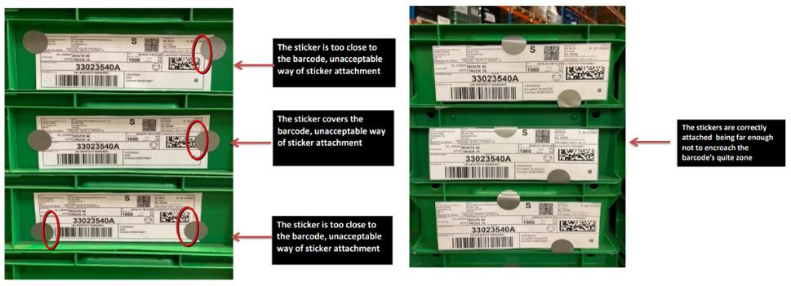

 | Master Label Attachment : each Shipping Unit must have two Master Labels attached on adjacent sides of the unit. This requirement is valid for both Homogeneous SU
 | as well as for Mixed pallet. Some plants might require only one master label. Please ask the ZF LIFETEC Receiving plant to indicate the number of Master labels.

 | On returnable packaging the labels must be fixed by using only fabric-based self-adhesive stickers that leave no marks on the packaging after label removal.
 | It is mandatory to use 3 stickers to secure one Master label on the SU. Self-adhesive labels are NOT allowed on returnable packaging.

 | Location of Master Lables on the SU - 15 cm from the top and from the bottom of the SU on adjacent sides; the labels must not be even partially covered by straps :
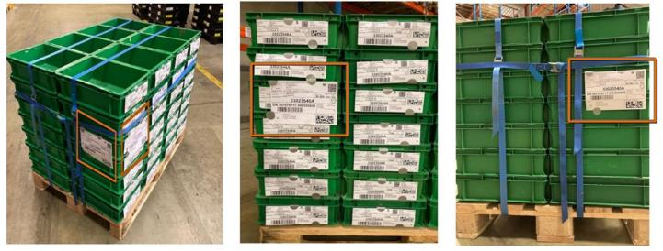

 | On a Mixed Shipping Unit following labels must be used :
 | - Single Labels on each Packing Unit
 | - Master Labels for each group of Packing Units containing the same Part Number
 | - Mix Master Label, indicative picture below :

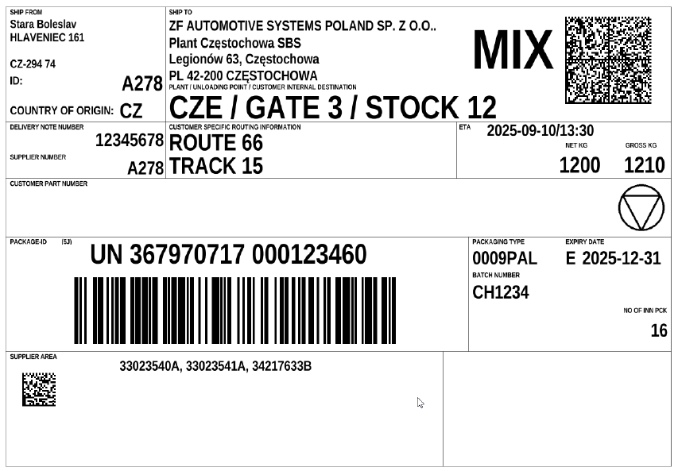

 | 2.4. Alternative packaging
 | Generally, the Supplier must develop a returnable* packaging solution, except for long distance suppliers for which the cardboard packaging (one way) is accepted.
 | When a returnable system is used, the Supplier is responsible for developing also an alternative packaging which is a one way packaging replicating the returnable one in size, pack density and stackability during transport. The usage of returnable packing elements ( e.g. trays ) in the alternative packaging is not permitted. This alternative packaging must be available for emergency cases like : required premium shipments, production run out programs, returnable containers outages etc. A minimum of 3 days stock of alternative packaging should be available at Supplier's site in order to meet any such contingency.However, whenever such situation occurs, the Supplier must request ZF approval before using the alternative packaging explaining the reasons and informing about the associated costs.

 | 3. Packaging Approval process

 | The Supplier is responsible for developing the best packaging solution considering his best knowledge and the requirements stated at point 2. ZF LIFETEC is only validating the packaging proposed by the Supplier.
...

